シート1
Table Name | Column Name | Data Type | Constraint | Initial Value | Description
users | user_id | integer | PRIMARY KEY, AUTO INCREMENT |  | ユーザーID
users | email | varchar(255) | NOT NULL, UNIQUE |  | メールアドレス | FromTable | Column1 | Relation | Table2 | Column2 | Details
users | password | varchar(255) | NOT NULL |  | ハッシュ化パスワード | users | user_id | one-to-one | teachers | user_id | ON DELETE CASCADE
users | user_type | enum('teacher','individual_employer','coporate_employer') | NOT NULL |  | ユーザータイプ | users | user_id | one-to-one | employers | user_id | ON DELETE CASCADE
users | status | enum('active','inactive','pending') | DEFAULT 'pending' |  | アカウント状態 | teachers | teacher_id | one-to-many | teacher_skills | teacher_id | ON DELETE CASCADE
users | email_verified_at | timestamp |  |  | メール認証日時 | employers | employer_id | one-to-many | corporate_jobs | employer_id | ON DELETE CASCADE
users | last_login | timestamp |  |  | 最終ログイン日時 | employers | employer_id | one-to-many | individual_jobs | employer_id | ON DELETE CASCADE
users | created_at | timestamp | DEFAULT CURRENT_TIMESTAMP |  | 作成日時 | employers | employer_id | one-to-many | surveys | employer_id | ON DELETE CASCADE
users | updated_at | timestamp | ON UPDATE CURRENT_TIMESTAMP |  | 更新日時 | employers | employer_id | one-to-many | scout_requests | employer_id | ON DELETE CASCADE
users | avatar | varchar(255) | DEFAULT 'users/default.png' |  | プロフィール画像 | teachers | teacher_id | one-to-many | scout_requests | teacher_id | ON DELETE CASCADE
users | messenger_color | varchar(20) | DEFAULT '#2180f3' |  | チャットカラー | corporate_jobs | job_id | one-to-many | scout_requests | job_id | job_type='corporate' ON DELETE SET NULL
users | dark_mode | boolean | DEFAULT false |  | ダークモード設定 | individual_jobs | job_id | one-to-many | scout_requests | job_id | job_type='individual' ON DELETE SET NULL
users | active_status | enum('online' | offline') | DEFAULT 'offline' | チャットオンライン状態 | surveys | survey_id | one-to-many | survey_responses | survey_id | ON DELETE CASCADE
 |  |  |  |  |  | survey_responses | user_id | many-to-one | users | user_id | ON DELETE CASCADE
 |  |  |  |  |  | scout_requests | request_id | one-to-many | survey_responses | request_id | ON DELETE CASCADE
Table Name | Column Name | Data Type | Constraint | Initial Value | Description | teachers | teacher_id | one-to-many | individual_contracts | teacher_id | ON DELETE CASCADE
teachers | teacher_id | integer | PRIMARY KEY, AUTO INCREMENT |  | 講師ID | employers | employer_id | one-to-many | individual_contracts | employer_id | ON DELETE CASCADE
teachers | user_id | integer | FOREIGN KEY |  | ユーザーID | individual_jobs | job_id | one-to-many | individual_contracts | job_id | ON DELETE CASCADE
teachers | first_name | varchar(50) | NOT NULL |  | 名 | employers | employer_id | one-to-many | payment_methods | employer_id | ON DELETE CASCADE
teachers | last_name | varchar(50) | NOT NULL |  | 姓 | individual_contracts | contract_id | one-to-many | payments | contract_id | ON DELETE CASCADE
teachers | profile_image | text |  |  | プロフィール画像URL | employers | employer_id | one-to-many | payments | employer_id | ON DELETE CASCADE
teachers | phone | varchar(20) |  |  | 電話番号 | users | user_id | one-to-many | bookmarks | user_id | ON DELETE CASCADE
teachers | address | text |  |  | 住所 | bookmarks | user_id | many-to-many | teachers | teacher_id | bookmarkable_type='teacher'
teachers | university | varchar(100) |  |  | 出身/在籍大学 | bookmarks | user_id | many-to-many | employers | employer_id | bookmarkable_type='employer'
teachers | faculty | varchar(100) |  |  | 学部・学科 | conversations | user1_id | many-to-one | users | user_id | ON DELETE CASCADE
teachers | graduation_year | integer |  |  | 卒業年（予定含む） | conversations | user2_id | many-to-one | users | user_id | ON DELETE CASCADE
teachers | teaching_experience | integer | DEFAULT 0 |  | 指導経験年数 | messages | conversation_id | many-to-one | conversations | id | ON DELETE CASCADE
teachers | subject | varchar(50) | NOT NULL |  | 指導可能科目 | messages | from_id | many-to-one | users | user_id | ON DELETE CASCADE
teachers | grade_level | varchar(50) | NOT NULL |  | 指導可能学年 | messages | to_id | many-to-one | users | user_id | ON DELETE CASCADE
teachers | proficiency_level | enum('beginner','intermediate','advanced') | DEFAULT 'intermediate' |  | 習熟度
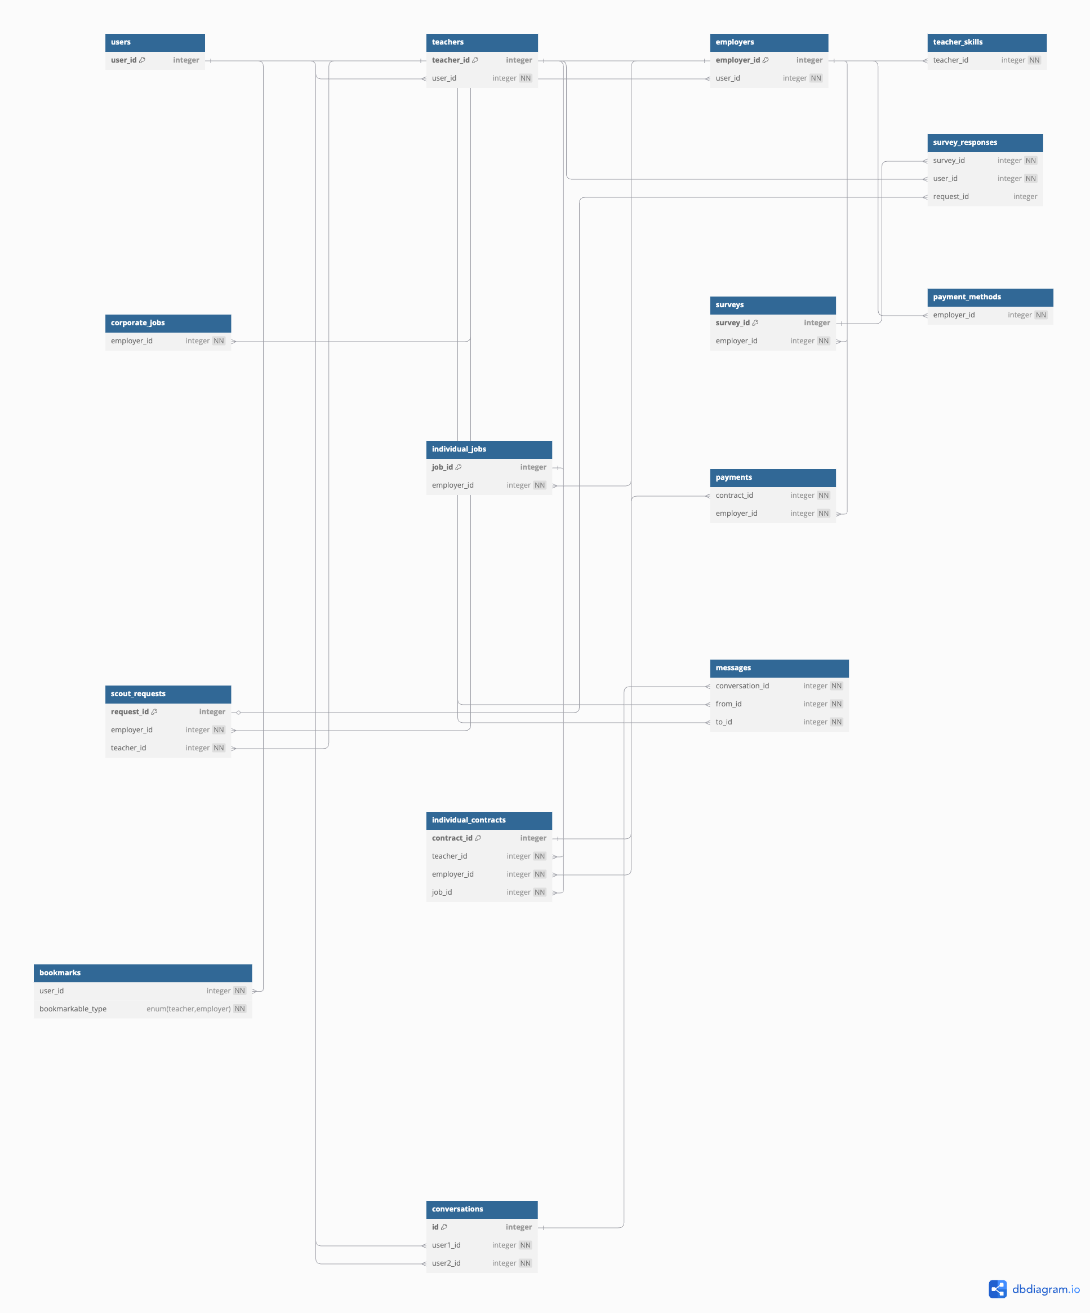
teachers | bio | text |  |  | 自己PR | https://dbdiagram.io/d/68009c291ca52373f5556c13
teachers | test_result_visibility | enum('public','employers_only','private') | DEFAULT 'employers_only' |  | テスト結果公開範囲
teachers | bookmark_count | integer | DEFAULT 0 |  | ブックマーク数（キャッシュ用）
teachers | is_verified | boolean | DEFAULT false |  | 本人確認済みフラグ
teachers | created_at | timestamp | DEFAULT CURRENT_TIMESTAMP |  | 作成日時
teachers | updated_at | timestamp | ON UPDATE CURRENT_TIMESTAMP |  | 更新日時

Table Name | Column Name | Data Type | Constraint | Initial Value | Description
employers | employer_id | BIGINT UNSIGNED | AUTO_INCREMENT PRIMARY KEY |  | 雇用主ID
employers | user_id | BIGINT UNSIGNED | NOT NULL, FOREIGN KEY (users.user_id) |  | 紐づくユーザーID
employers | name | VARCHAR(100) | NOT NULL |  | 会社名など
employers | profile_image | text |  |  | プロフィール/ロゴ画像URL
employers | contact_person | VARCHAR(100) | NULL |  | 担当者名
employers | phone | VARCHAR(20) | NULL |  | 電話番号
employers | address | TEXT | NULL |  | 住所
employers | website | varchar(255) |  |  | Webサイト
employers | description | TEXT | NULL |  | 説明
employers | bookmark_count | integer | DEFAULT 0 |  | ブックマーク数（キャッシュ用）
employers | created_at | TIMESTAMP |  | 自動 | 作成日時
employers | updated_at | TIMESTAMP |  | 自動 | 更新日時

Table Name | Column Name | Data Type | Constraint | Initial Value | Description
corporate_jobs | job_id | BIGINT UNSIGNED | AUTO_INCREMENT PRIMARY KEY |  | 求人ID
corporate_jobs | employer_id | BIGINT UNSIGNED | NOT NULL, FOREIGN KEY (employers.employer_id) |  | 雇用主ID
corporate_jobs | title | VARCHAR(100) | NOT NULL |  | 求人タイトル
corporate_jobs | description | TEXT |  | NULL | 求人説明
corporate_jobs | subjects | text |  |  | 指導教科（カンマ区切り）
corporate_jobs | target_grades | text |  |  | 対象学年（カンマ区切り）
corporate_jobs | location | text |  |  | 勤務地
corporate_jobs | employment_type | enum('full_time','part_time','contract') | NOT NULL |  | 雇用形態
corporate_jobs | salary_type | enum('hourly','monthly','yearly') | NOT NULL |  | 給与タイプ
corporate_jobs | salary_min | decimal(10,2) |  |  | 最低給与額
corporate_jobs | salary_max | decimal(10,2) |  |  | 最高給与額
corporate_jobs | benefits | text |  |  | 福利厚生
corporate_jobs | requirements | text |  |  | 応募条件
corporate_jobs | application_deadline | date |  |  | 応募締切
corporate_jobs | start_date | date |  |  | 開始予定日
corporate_jobs | status | enum('draft','active','closed') | DEFAULT 'draft' |  | 求人状態
corporate_jobs | created_at | timestamp | DEFAULT CURRENT_TIMESTAMP |  | 作成日時
corporate_jobs | updated_at | timestamp | ON UPDATE CURRENT_TIMESTAMP |  | 更新日時

Table Name | Column Name | Data Type | Constraint | Initial Value | Description
individual_jobs | job_id | integer | PRIMARY KEY, AUTO INCREMENT |  | 個人求人ID
individual_jobs | employer_id | integer | FOREIGN KEY NOT NULL |  | 求人者ID
individual_jobs | title | varchar(100) | NOT NULL |  | 求人タイトル
individual_jobs | description | text | NOT NULL |  | 仕事内容
individual_jobs | subjects | text |  |  | 指導教科（カンマ区切り）
individual_jobs | target_grades | text |  |  | 対象学年（カンマ区切り）
individual_jobs | location | text |  |  | 指導場所
individual_jobs | session_duration_minutes | integer | NOT NULL |  | 1コマあたりの時間（分）
individual_jobs | session_price | decimal(10,2) | NOT NULL |  | 1コマあたりの値段
individual_jobs | total_sessions | integer | NOT NULL |  | コマ数
individual_jobs | travel_expenses | boolean | DEFAULT false |  | 移動費支払い有無
individual_jobs | travel_amount | decimal(10,2) |  |  | 移動費金額
individual_jobs | total_price | decimal(10,2) | NOT NULL |  | 合計金額
individual_jobs | service_fee_percentage | decimal(5,2) | DEFAULT 10.00 |  | サービス手数料率（%）
individual_jobs | status | enum('draft','active','closed') | DEFAULT 'draft' |  | 求人状態
individual_jobs | expires_at | timestamp |  |  | 募集締切日
individual_jobs | created_at | timestamp | DEFAULT CURRENT_TIMESTAMP |  | 作成日時
individual_jobs | updated_at | timestamp | ON UPDATE CURRENT_TIMESTAMP |  | 更新日時

Table Name | Column Name | Data Type | Constraint | Initial Value | Description
surveys | survey_id | integer | PRIMARY KEY, AUTO INCREMENT |  | アンケートID
surveys | employer_id | integer | FOREIGN KEY NOT NULL (employers.employer_id) |  | 作成者ID
surveys | title | varchar(100) | NOT NULL |  | アンケートタイトル
surveys | description | text |  |  | 説明文
surveys | is_active | boolean | DEFAULT true |  | 有効フラグ
surveys | created_at | timestamp | DEFAULT CURRENT_TIMESTAMP |  | 作成日時
surveys | updated_at | timestamp | ON UPDATE CURRENT_TIMESTAMP |  | 更新日時

survey_responses | response_id | integer | PRIMARY KEY, AUTO INCREMENT | 列 1 | 回答ID
survey_responses | survey_id | integer | FOREIGN KEY NOT NULL (surveys.survey_id) |  | 関連アンケートID
survey_responses | user_id | integer | FOREIGN KEY NOT NULL (users.user_id) |  | 回答者ID
survey_responses | answer | text |  |  | 回答内容（テキスト）
survey_responses | submitted_at | timestamp | DEFAULT CURRENT_TIMESTAMP |  | 回答日時

Table Name | Column Name | Data Type | Constraint | 列 1 | Description
scout_requests | request_id | integer | PRIMARY KEY, AUTO INCREMENT |  | スカウトリクエストID
scout_requests | employer_id | integer | FOREIGN KEY NOT NULL |  | 求人者ID
scout_requests | teacher_id | integer | FOREIGN KEY NOT NULL |  | 講師ID
scout_requests | job_type | enum('corporate','individual') | NOT NULL |  | 求人タイプ
scout_requests | job_id | integer | FOREIGN KEY |  | 関連求人ID
scout_requests | template_id | integer | FOREIGN KEY |  | 使用テンプレートID
scout_requests | message | text |  |  | スカウトメッセージ
scout_requests | status | enum('pending','accepted','rejected') | DEFAULT 'pending' |  | ステータス
scout_requests | viewed_at | timestamp |  |  | 閲覧日時
scout_requests | responded_at | timestamp |  |  | 返信日時
scout_requests | expires_at | timestamp |  |  | 有効期限
scout_requests | created_at | timestamp | DEFAULT CURRENT_TIMESTAMP |  | 作成日時
scout_requests | updated_at | timestamp | ON UPDATE CURRENT_TIMESTAMP |  | 更新日時

Table Name | Column Name | Data Type | Constraint | Initial Value | Description
messages | conversation_id | integer | FOREIGN KEY NOT NULL |  | 会話ID（ルームID）
messages | id | integer | PRIMARY KEY AUTO INCREMENT |  | メッセージID
messages | from_id | integer | NOT NULL |  | 送信者ユーザーID
messages | to_id | integer | NOT NULL |  | 受信者ユーザーID
messages | body | text | NOT NULL |  | メッセージ本文
messages | attachment | text |  |  | 添付ファイルURL
messages | seen | boolean | DEFAULT false |  | 既読フラグ
messages | created_at | timestamp | DEFAULT CURRENT_TIMESTAMP |  | 作成日時
messages | updated_at | timestamp | ON UPDATE CURRENT_TIMESTAMP |  | 更新日時

Table Name | Column Name | Data Type | Constraint | Initial Value | Description
conversations | id | integer | PRIMARY KEY AUTO INCREMENT |  | 会話ID（ルームID）
conversations | user1_id | integer | NOT NULL |  | ユーザーAのID
conversations | user2_id | integer | NOT NULL |  | ユーザーBのID
conversations | created_at | timestamp | DEFAULT CURRENT_TIMESTAMP |  | 作成日時
conversations | updated_at | timestamp | ON UPDATE CURRENT_TIMESTAMP |  | 更新日時

Table Name | Column Name | Data Type | Constraint | Initial Value | Description
individual_contracts | contract_id | integer | PRIMARY KEY, AUTO INCREMENT |  | 契約ID
individual_contracts | teacher_id | integer | FOREIGN KEY NOT NULL |  | 講師ID
individual_contracts | employer_id | integer | FOREIGN KEY NOT NULL |  | 個人求人者ID
individual_contracts | job_id | integer | FOREIGN KEY NOT NULL |  | 個人求人ID
individual_contracts | room_id | integer | FOREIGN KEY NOT NULL |  | チャットルームID
individual_contracts | session_duration_minutes | integer | NOT NULL |  | 1コマあたりの時間（分）
individual_contracts | session_price | decimal(10,2) | NOT NULL |  | 1コマあたりの値段
individual_contracts | total_sessions | integer | NOT NULL |  | コマ数
individual_contracts | travel_expenses | boolean | DEFAULT false |  | 移動費支払い有無
individual_contracts | travel_amount | decimal(10,2) |  |  | 移動費金額
individual_contracts | total_price | decimal(10,2) | NOT NULL |  | 合計金額（税込）
individual_contracts | service_fee_amount | decimal(10,2) | NOT NULL |  | サービス手数料額
individual_contracts | payment_status | enum('pending','paid','failed') | DEFAULT 'pending' |  | 支払い状態
individual_contracts | teacher_accepted | boolean | DEFAULT false |  | 講師同意フラグ
individual_contracts | employer_accepted | boolean | DEFAULT false |  | 求人者同意フラグ
individual_contracts | status | enum('draft','active','completed','canceled') | DEFAULT 'draft' |  | 契約状態
individual_contracts | start_date | date |  |  | 開始日
individual_contracts | completion_date | date |  |  | 完了予定日
individual_contracts | created_at | timestamp | DEFAULT CURRENT_TIMESTAMP |  | 作成日時
individual_contracts | updated_at | timestamp | ON UPDATE CURRENT_TIMESTAMP |  | 更新日時

Table Name | Column Name | Data Type | Constraint | Initial Value | Description
bookmarks | bookmark_id | integer | PRIMARY KEY, AUTO INCREMENT |  | ブックマークID
bookmarks | user_id | integer | FOREIGN KEY NOT NULL (users.user_id) |  | ユーザーID
bookmarks | bookmarkable_type | enum('teacher','employer') | NOT NULL |  | ブックマーク対象タイプ
bookmarks | bookmarkable_id | integer | NOT NULL |  | ブックマーク対象ID
bookmarks | created_at | timestamp | DEFAULT CURRENT_TIMESTAMP |  | 作成日時
bookmarks | updated_at | timestamp | ON UPDATE CURRENT_TIMESTAMP |  | 更新日時

